Test Report
UNIT TEST REPORT

Project Name | Date Time Checker |  | Creator |  | Group 13
Project Code | FUHCM-SQA&T |  | Reviewer/Approver |  | Group 13
Document Code | FUHCM-SQA&T_Test Report_vx.x |  | Issue Date |  | 2024-07-10
Notes

No | Function code | Passed | Failed | Untested | N | A | B | Total Test Cases
1 | DayInMonth! | 7 | 0 | 0 | 3 | 1 | 3 | 7
2 | CheckDate! | 15 | 0 | 0 | 2 | 8 | 5 | 15
 | Sub total | 22 | 0 | 0 | 5 | 9 | 8 | 22

 | Test coverage |  | 100.00 | %
 | Test successful coverage |  | 100.00 | %
 | Normal case |  | 22.73 | %
 | Abnormal case |  | 40.91 | %
 | Boundary case |  | 36.36 | %

Passed Percent
Passed | 22 | 1 | 1 | 1 | 22
Failed | 0 |  |  |  | 0
Untested | 0 |  |  |  | 0
Test Type
N | 5 | 1 | 1 | 1 | 5
A | 9 |  |  |  | 9
B | 8 |  |  |  | 8

DayInMonth
Function Code |  | DayInMonth |  | Function Name |  |  |  |  |  | DayInMonth
Created By |  | Nguyễn Thị Thúy Hằng |  | Executed By |  |  |  |  |  | Nguyễn Khánh Huy
Lines of code |  |  |  | Lack of test cases |  |  |  |  |  | -7
Test requirement
Passed |  | Failed |  | Untested |  |  |  |  |  | N/A/B |  |  | Total Test Cases
7 |  | 0 |  | 0 |  |  |  |  |  | 3 | 1 | 3 | 7

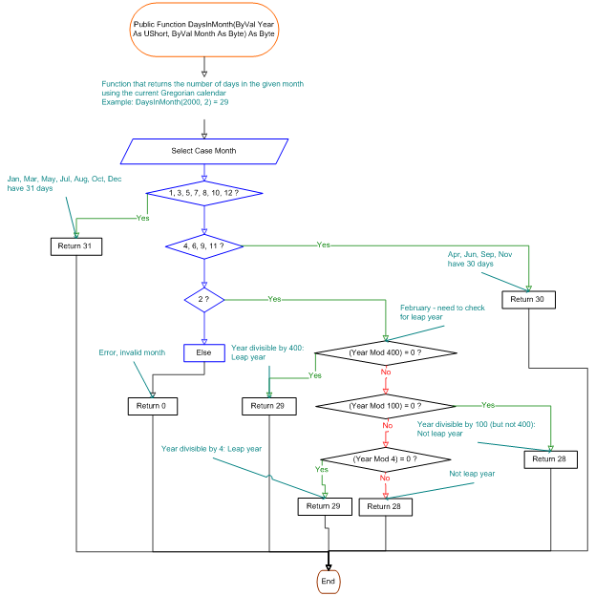
 |  |  |  | UTCID01 | UTCID02 | UTCID03 | UTCID04 | UTCID05 | UTCID06 | UTCID07
Condition | Precondition
 |  |  | Select case month
 | Month
 |  |  | 0 | O
 |  |  | 2 |  | O | O | O | O
 |  |  | 5 |  |  |  |  |  | O
 |  |  | 9 |  |  |  |  |  |  | O
 | Year
 |  |  | 2024 | O |  |  | O |  | O | O
 |  |  | 2000 |  | O
 |  |  | 2100 |  |  | O
 |  |  | 2025 |  |  |  |  | O
Confirm | Return
 |  |  | 28 |  |  | O |  | O
 |  |  | 29 |  | O |  | O
 |  |  | 30 |  |  |  |  |  |  | O
 |  |  | 31 |  |  |  |  |  | O
 | Exception
 |  |  | 0 | O
 | Log message
 |  |  | "Error Message Out-of-Range" | O
 |  |  | "Error Message is incorrect format"
 |  |  | "Correct Date Time Message Box"
 |  |  | "NOT Correct Date Time Message Box"
Result | Type(N : Normal, A : Abnormal, B : Boundary) |  |  | A | B | B | N | N | N | B
 | Passed/Failed |  |  | P | P | P | P | P | P | P
 | Executed Date |  |  | /0/2024 | /2/2000 | /2/2100 | /2/2024 | /2/2025 | /5/2024 | /9/2024
 | Defect ID |  |  | DFID001

CheckDate
Function Code |  | CheckDate |  | Function Name |  |  |  |  |  | CheckDate
Created By |  | Đặng Thị Ngọc Minh |  | Executed By |  |  |  |  |  | Trần Đình Phương Linh
Lines of code |  | 300 |  | Lack of test cases |  |  |  |  |  | 15
Test requirement |  | <Brief description about requirements which are tested in this function>
Passed |  | Failed |  | Untested |  |  |  |  |  | N/A/B |  |  | Total Test Cases
15 |  | 0 |  | 0 |  |  |  |  |  | 2 | 8 | 5 | 15

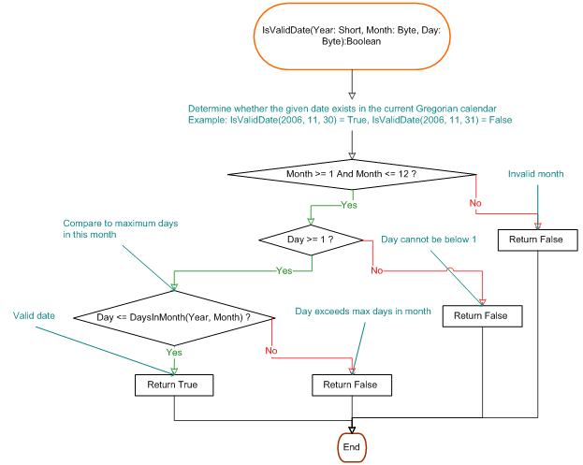
 |  |  |  | UTCID01 | UTCID02 | UTCID03 | UTCID04 | UTCID05 | UTCID06 | UTCID07 | UTCID08 | UTCID09 | UTCID10 | UTCID11 | UTCID12 | UTCID13 | UTCID14 | UTCID15
Condition | Precondition
 |  |  | Can connect with server

 | Day
 |  |  | 28 | O |  |  |  |  |  |  |  |  |  |  |  |  |  | O
 |  |  | 29 |  | O | O | O | O
 |  |  | 30 |  |  |  |  |  | O | O | O | O
 |  |  | 31 |  |  |  |  |  |  |  |  |  | O | O
 |  |  | 15 |  |  |  |  |  |  |  |  |  |  |  |  |  | O
 |  |  | 32 |  |  |  |  |  |  |  |  |  |  |  | O | O
 | Month
 |  |  | 2 | O | O | O | O | O | O |  |  |  |  |  | O |  |  | O
 |  |  | 4 |  |  |  |  |  |  | O |  |  | O
 |  |  | 10 |  |  |  |  |  |  |  | O |  |  | O
 |  |  | 0 |  |  |  |  |  |  |  |  | O |  |  |  | O
 |  |  | 13 |  |  |  |  |  |  |  |  |  |  |  |  |  | O
 | Year
 |  |  | 2000 | O | O |  |  |  | O | O | O | O | O | O | O | O | O
 |  |  | 2003 |  |  | O |  |  |  |  |  |  |  |  |  |  |  | O
 |  |  | 2004 |  |  |  | O
 |  |  | 1900 |  |  |  |  | O

Confirm | Return
 |  |  | Valid | O | O |  | O |  |  | O | O |  |  | O |  |  |  | O
 |  |  | Invalid |  |  | O |  | O | O |  |  | O | O |  | O | O | O
 | Exception

 | Log message
 |  |  | "success" | O | O |  | O |  |  | O | O |  |  | O |  |  |  | O
 |  |  | "input1 is null"
Result | Type(N : Normal, A : Abnormal, B : Boundary) |  |  | N | B | A | B | A | A | B | N | A | A | B | A | A | A | B
 | Passed/Failed |  |  | P | P | P | P | P | P | P | P | P | P | P | P | P | P | P
 | Executed Date |  |  | 2024-10-14 | 2024-10-15 | 2024-10-16 | 2024-10-17 | 2024-10-18 | 2024-10-19 | 2024-10-20 | 2024-10-21 | 2024-10-22 | 2024-10-23 | 2024-10-24 | 2024-10-25 | 2024-10-26 | 2024-10-27 | 2024-10-28
 | Defect ID |  |  |  |  |  |  |  | DFID002 | DFID004 | DFID005 | DFID006 | DFID007 | DFID008 | DFID009 | DFID010 | DFID011 | DFID012

